Screenshot
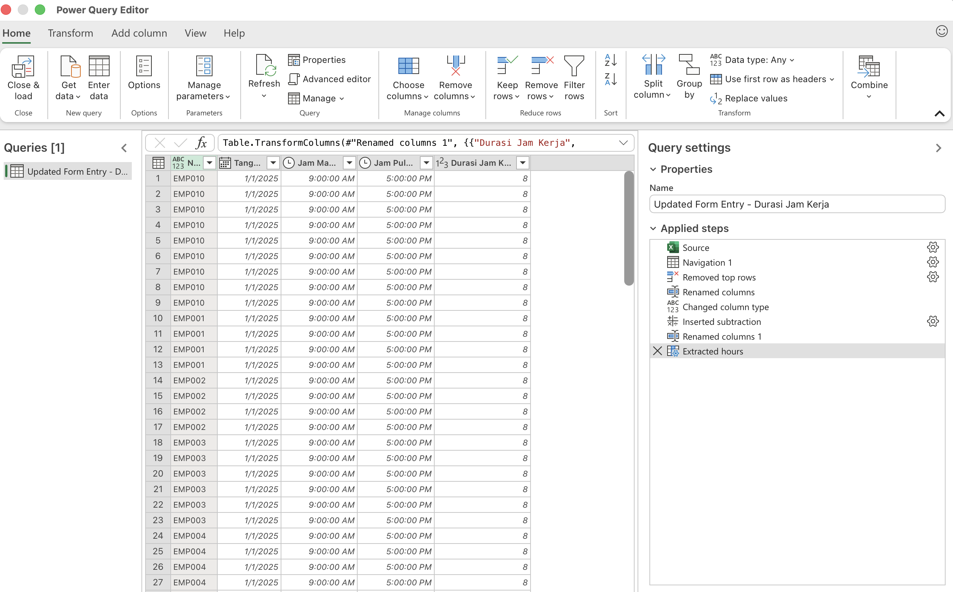
Validasi NIP

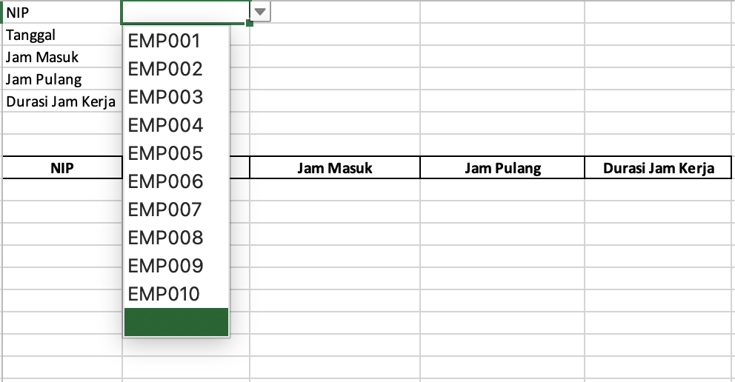

Validasi Tanggal

Validasi Jam Masuk

Validasi Jam Pulang

Add Macro
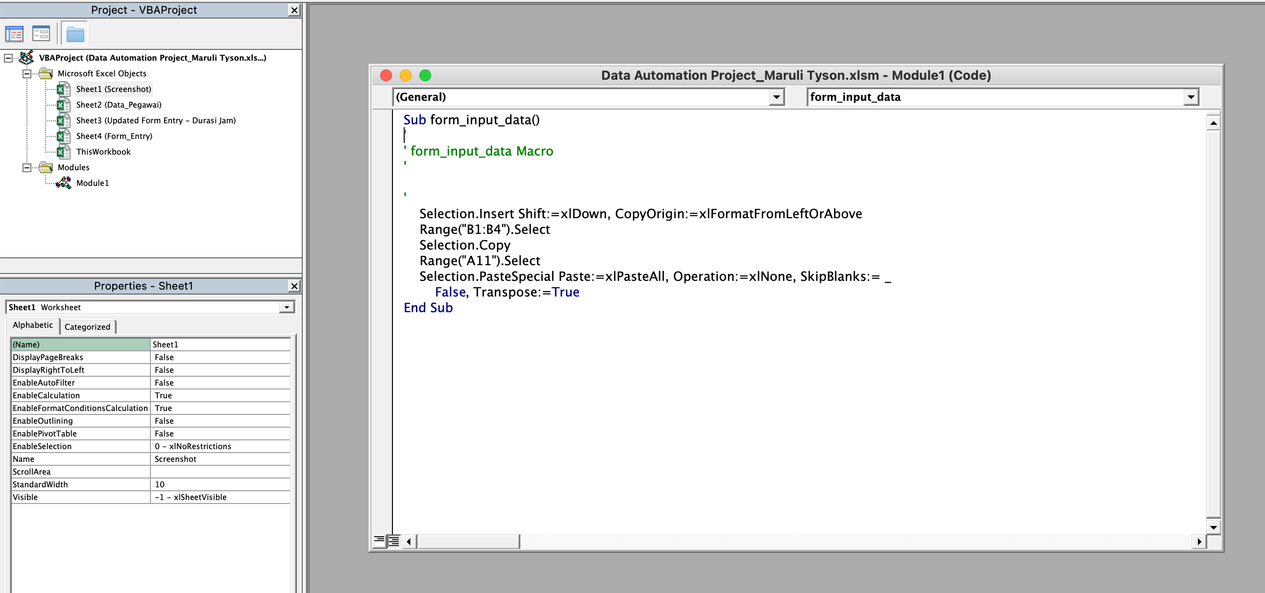

Add Power Query

